Sheet1
EMPIOYEE ID | FIRST NAME | LAST NAME | START DATE | LAST DATE | TITLE | DEPARTMENT | EMPLOYEE STATUS | EMPLOYEE TYPE | GENDER | DOB | TERMINATION TYPE | BRANCH | LOCATION OF EMPOLYEE | MARITAL STATUS | PERFORMANE SCORE | CURRENT EMPLOYEE RATING | Row Labels | Sum of PERFORMANE SCORE | Sum of EMPIOYEE ID
5117 | ARUN | D | 11\SEP\2023 |  | PRODUCTION | PRODUCTION | ACTIVE | CONTRACT | MALE | 18\MAY\1980 | CURRENT | CHENNAI | CHENNAI | MARRIED | 4 | HIGH | HIGH | 24 | 30686
5123 | CHITRALEKHA | G | 14\DEC\2021 | 16\MAY\2005 | PRODUCTION | PRODUCTION | ACTIVE | FULL-TIME | FEMALE | 12\AUG\1977 | CURRENT | CHENNAI | AVADI | SINGLE | 3 | MED | LOW | 14 | 46078
5106 | DURAI | V | 15\JUN\2022 | 03\JUL\2009 | SALES EXECUTIVE | SALES | ACTIVE | PART-TIME | MALE | 15\SEP\1978 | CURRENT | CHENNAI | GUINDY | SINGLE | 2 | LOW | MED | 21 | 35832
5114 | DURGA | K | 09\JAN\1999 |  | PRODUCTION | PRODUCTION | ACTIVE | FULL-TIME | FEMALE | 12\OCT\1988 | CURRENT | CHENNAI | PORUR | MARRIED | 3 | MED | VERY HIGH | 15 | 15354
5129 | GEETHA | T | 12\DEC\2004 |  | SALES EXECUTIVE | SALES | ACTIVE | CONTRACT | FEMALE | 17\DEC\1988 | CURRENT | CHENNAI | PALLAVRAM | SINGLE | 4 | HIGH | Grand Total | 74 | 127950
5124 | JANANI | T | 08\FEB\2006 |  | PRODUCTION | PRODUCTION | ACTIVE | FULL-TIME | FEMALE | 15\JUN\1980 | CURRENT | CHENNAI | BEACH | SINGLE | 5 | VERY HIGH
5125 | JANANI PRIYA | S | 03\JUL\2009 | 18\MAY\2004 | PRODUCTION | PRODUCTION | ACTIVE | FULL-TIME | FEMALE | 11\SEP\1978 | CURRENT | CHENNAI | CHENNAI | SINGLE | 1 | LOW
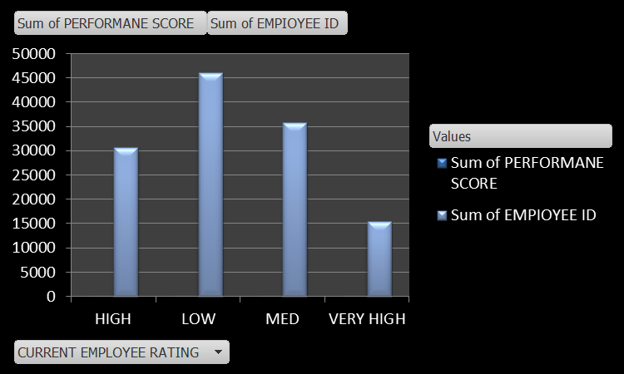
5110 | JENI | A | 05\OCT\2004 | 28\AUG\2004 | SALES EXECUTIVE | SALES | ACTIVE | PART-TIME | FEMALE | 28\AUG\1984 | CURRENT | CHENNAI | T-NAGAR | MARRIED | 5 | VERY HIGH
5116 | KARTHI | R | 16\NOV\2004 |  | SALES EXECUTIVE | SALES | ACTIVE | CONTRACT | MALE | 07\APR\1993 | CURRENT | CHENNAI | KUNDRATHUR | SINGLE | 3 | MED
5108 | KEERTHANA | K | 13\MAR\1998 |  | PRODUCTION | PRODUCTION | ACTIVE | FULL-TIME | FEMALE | 12\JUN\1980 | CURRENT | CHENNAI | ASHOK NAGAR | MARRIED | 4 | HIGH
5120 | KUMAR | R | 17\SEP\2005 |  | SALES EXECUTIVE | SALES | ACTIVE | PART-TIME | MALE | 17\DEC\1988 | CURRENT | CHENNAI | ANNA SALAI | MARRIED | 5 | VERY HIGH
5128 | LALITHA | K | 18\MAY\2004 |  | SALES EXECUTIVE | SALES | ACTIVE | PART-TIME | FEMALE | 20\NOV\2001 | CURRENT | CHENNAI | GUINDY | SINGLE | 1 | LOW
5115 | MANI | S | 02\OCT\2007 |  | PRODUCTION | PRODUCTION | ACTIVE | CONTRACT | MALE | 15\OCT\1988 | CURRENT | CHENNAI | CHENNAI | DIVORCED | 3 | MED
5113 | NANDHINI | V | 01\MAY\1997 | 28\AUG\2004 | SALES EXECUTIVE | SALES | ACTIVE | PART-TIME | FEMALE | 07\APR\2003 | CURRENT | CHENNAI | ALATHUR | MARRIED | 4 | HIGH
5122 | POOJA | K | 13\AUG\2006 |  | PRODUCTION | PRODUCTION | ACTIVE | FULL-TIME | FEMALE | 03\DEC\2002 | CURRENT | CHENNAI | MEENABAKKAM | SINGLE | 2 | LOW
5112 | PRIYA | M | 12\AUT\2004 | 13\SEP\20016 | PRODUCTION | PRODUCTION | ACTIVE | CONTRACT | FEMALE | 17\DEC\1988 | CURRENT | CHENNAI | ANAKAPUTHUR | MARRIED | 4 | HIGH
5109 | RAM | N | 31\OCT\2006 | 13\SEP\20016 | SALES EXECUTIVE | SALES | ACTIVE | PART-TIME | MALE | 07\APR\1993 | CURRENT | CHENNAI | SAIDAPET | DIVORCED | 2 | LOW
5118 | RAVI | H | 07\APR\2003 |  | SALES EXECUTIVE | SALES | ACTIVE | PART-TIME | MALE | 28\AUG\2004 | CURRENT | CHENNAI | CHENNAI | SINGLE | 1 | LOW
5111 | SARANI | A | 16\MAY\2005 |  | PRODUCTION | PRODUCTION | ACTIVE | CONTRACT | FEMALE | 13\SEP\1990 | CURRENT | CHENNAI | CHENNAI | SINGLE | 3 | MED
5130 | SATHYA | S | 31\OCT\2006 | 13\MAR\1998 | HR | IT\IS | ACTIVE | CONTRACT | MALE | 17\DEC\1988 | CURRENT | CHENNAI | PORUR | SINGLE | 2 | LOW
5107 | SELAVI | P | 28\AUG\2004 | 13\AUG\2006 | HR | IT\IS | ACTIVE | FULL-TIME | FEMALE | 11\SEP\1978 | CURRENT | CHENNAI | KOVUR | DIVORCED | 4 | HIGH
5126 | SHALINI | D | 13\OUT\2003 |  | PRODUCTION | PRODUCTION | ACTIVE | CONTRACT | FEMALE | 28\AUG\2004 | CURRENT | CHENNAI | CHENNAI | SINGLE | 3 | MED
5119 | SIVA | B | 30\SEP\2004 |  | HR | IT\IS | ACTIVE | CONTRACT | MALE | 12\JUN\1980 | CURRENT | CHENNAI | PORUR | DIVORCED | 1 | LOW
5121 | SUMATHI | R | 15\OCT\2007 | 07\APR\2003 | PRODUCTION | PRODUCTION | ACTIVE | PART-TIME | FEMALE | 13\SEP\1990 | CURRENT | CHENNAI | SAIDAPET | MARRIED | 2 | LOW
5127 | VARSHA | M | 13\SEP\20016 |  | PRODUCTION | PRODUCTION | ACTIVE | CONTRACT | FEMALE | 17\SEP\2005 | CURRENT | CHENNAI | CHENNAI | MARRIED | 3 | MED

